GanttChart
HK Travel Recommender

 | Project Start Date | 9/23/2024 |  |  | Display Week | 1 |  | Week 1 |  |  |  |  |  |  | Week 2 |  |  |  |  |  |  | Week 3 |  |  |  |  |  |  | Week 4 |  |  |  |  |  |  | Week 5 |  |  |  |  |  |  | Week 6 |  |  |  |  |  |  | Week 7 |  |  |  |  |  |  | Week 8
 | Project Lead | FAN Tianrui |  |  |  |  |  | 2024-09-23 |  |  |  |  |  |  | 2024-09-30 |  |  |  |  |  |  | 2024-10-07 |  |  |  |  |  |  | 2024-10-14 |  |  |  |  |  |  | 2024-10-21 |  |  |  |  |  |  | 2024-10-28 |  |  |  |  |  |  | 2024-11-04 |  |  |  |  |  |  | 2024-11-11
 |  |  |  |  |  |  |  | 2024-09-23 | 2024-09-24 | 2024-09-25 | 2024-09-26 | 2024-09-27 | 2024-09-28 | 2024-09-29 | 2024-09-30 | 2024-10-01 | 2024-10-02 | 2024-10-03 | 2024-10-04 | 2024-10-05 | 2024-10-06 | 2024-10-07 | 2024-10-08 | 2024-10-09 | 2024-10-10 | 2024-10-11 | 2024-10-12 | 2024-10-13 | 2024-10-14 | 2024-10-15 | 2024-10-16 | 2024-10-17 | 2024-10-18 | 2024-10-19 | 2024-10-20 | 2024-10-21 | 2024-10-22 | 2024-10-23 | 2024-10-24 | 2024-10-25 | 2024-10-26 | 2024-10-27 | 2024-10-28 | 2024-10-29 | 2024-10-30 | 2024-10-31 | 2024-11-01 | 2024-11-02 | 2024-11-03 | 2024-11-04 | 2024-11-05 | 2024-11-06 | 2024-11-07 | 2024-11-08 | 2024-11-09 | 2024-11-10 | 2024-11-11 | 2024-11-12 | 2024-11-13 | 2024-11-14 | 2024-11-15 | 2024-11-16 | 2024-11-17
WBS | TASK | LEAD | START | END | DAYS | % DONE | WORK DAYS | M | T | W | T | F | S | S | M | T | W | T | F | S | S | M | T | W | T | F | S | S | M | T | W | T | F | S | S | M | T | W | T | F | S | S | M | T | W | T | F | S | S | M | T | W | T | F | S | S | M | T | W | T | F | S | S
1 | Project Manage |  |  | - |  |  | -
1.1 | Requirements Collect |  | 2024-09-23 | 2024-09-25 | 3 | 100% | 3
1.2 | Position Assignment |  | 2024-09-23 | 2024-09-26 | 4 | 100% | 4
1.3 | Relevant Research |  | 2024-09-25 | 2024-09-28 | 4 | 100% | 3
1.4 | Task Assignment |  | 2024-09-29 | 2024-10-05 | 7 | 100% | 5
1.4.1 | Analysis & Design |  | 2024-09-29 | 2024-09-30 | 2 | 100% | 1
1.4.2 | Algorithm Select |  | 2024-09-29 | 2024-10-05 | 7 | 100% | 5
1.5 | Project Outline |  | 2024-10-02 | 2024-10-03 | 2 | 100% | 2
2 | Prototype Dev |  |  | - |  |  | -
2.1 | Software Dev |  | 2024-10-03 | 2024-10-21 | 19 | 100% | 13
2.2 | Overall Structure |  | 2024-10-10 | 2024-10-24 | 15 | 100% | 11
2.3 | Principle & Pattern |  | 2024-10-03 | 2024-10-23 | 21 | 90% | 15
2.4 | Branch Merges |  | 2024-10-21 | 2024-10-25 | 5 | 100% | 5
2.5 | Prototype Debug |  | 2024-10-25 | 2024-10-27 | 3 | 100% | 1
3 | Debug & Improve |  |  | - |  |  | -
3.1 | Prototype Imporve |  | 2024-10-25 | 2024-11-18 | 25 | 85% | 17
3.2 | Database Improve |  | 2024-10-19 | 2024-10-25 | 7 | 100% | 5
3.3 | Simple Testing |  | 2024-10-06 | 2024-10-30 | 25 | 95% | 18
3.4 | UI Development |  | 2024-10-05 | 2024-10-22 | 18 | 100% | 12
3.5 | UI Coding & Drawing |  | 2024-10-25 | 2024-10-27 | 3 | 100% | 1
4 | Testing |  |  | - |  |  | -
4.1 | Unit Testing |  | 2024-10-21 | 2024-10-26 | 6 | 100% | 5
4.2 | Integration Testing |  | 2024-10-28 | 2024-10-31 | 4 | 90% | 4
4.3 | System Testing |  | 2024-11-11 | 2024-11-13 | 3 | 100% | 3
4.4 | Report Prepare |  | 2024-11-11 | 2024-11-20 | 10 | 80% | 8

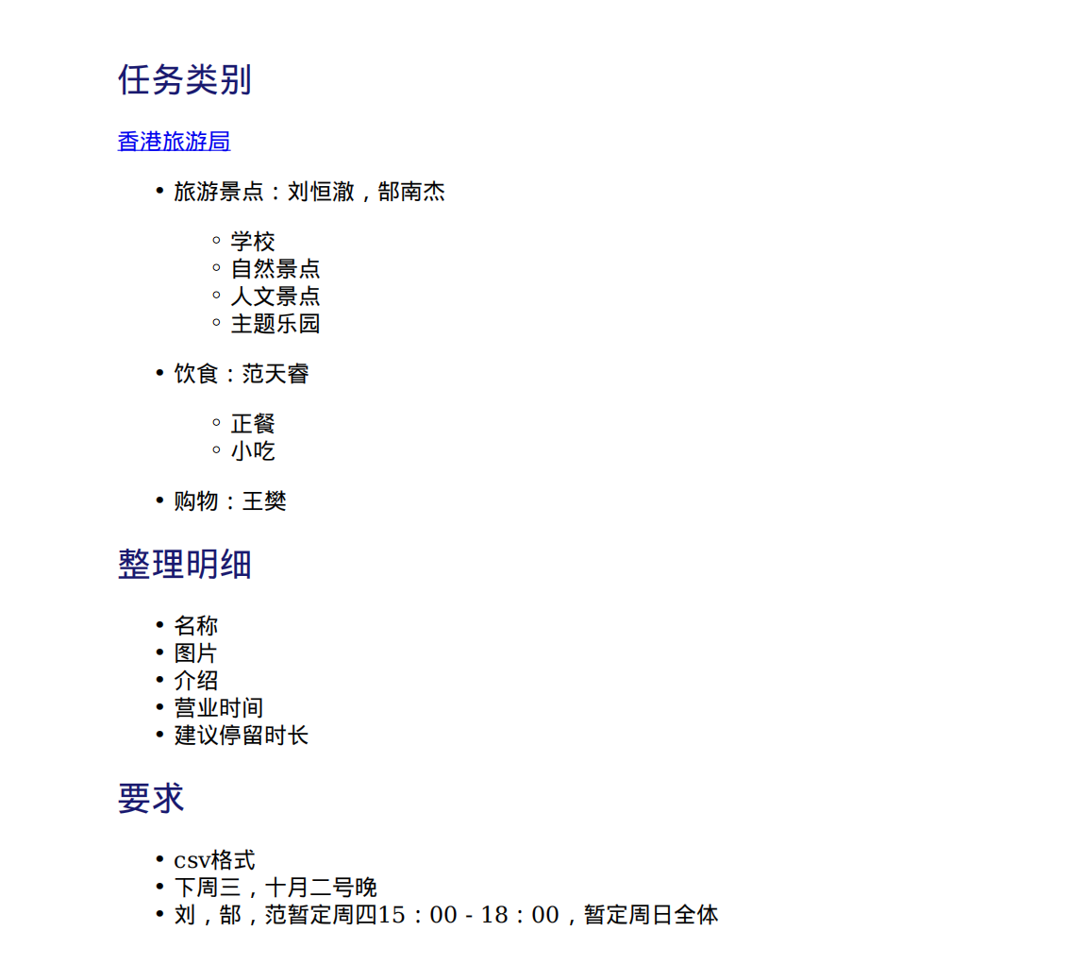
Week1 work summary |  |  |  |  |  |  |  |  |  | Prove with extensive documents
Detailed work
No. | Type of work | Work content | Detailed description | Status of implementation |  | If not completed, information note |  |  |  |  | 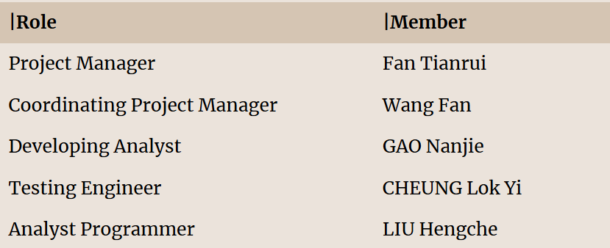
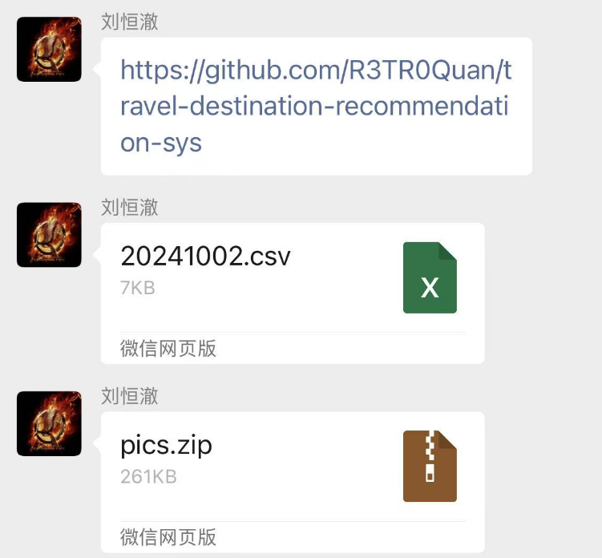
1 | priority work | Requirements Collect | Engage with the client to define project goals, functional needs, and technical constraints, ensuring clear and comprehensive requirements for design and development. | Completed
2 |  | Position Assignment | Assign roles and responsibilities to team members based on their skills and project needs, ensuring clear accountability and efficient task execution. | Completed
3 |  | Relevant Research | Conduct research to gather necessary information, explore industry best practices, and analyze similar projects to inform design and development decisions | Completed

Week2 work summary
Detailed work
No. | Type of work | Work content | Detailed description | Status of implementation |  | If not completed, information note
1 | priority work | Task Assignment | Distribute specific tasks to team members based on their expertise and project priorities, ensuring clear deadlines and efficient workflow | Completed |  |  |  |  |  |  | 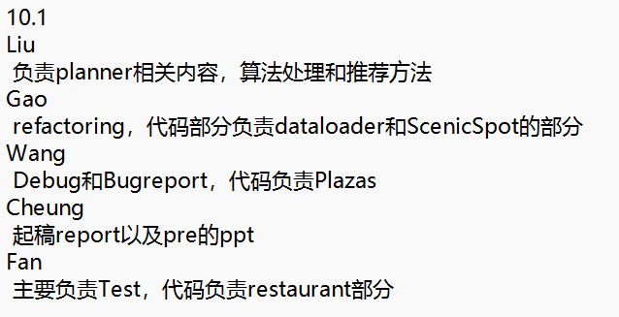
2 |  | Algorithm Select | Choose the most suitable algorithms based on project requirements, performance considerations, and data characteristics to ensure optimal system functionality and efficiency. | Completed |  |  |  |  |  |  | 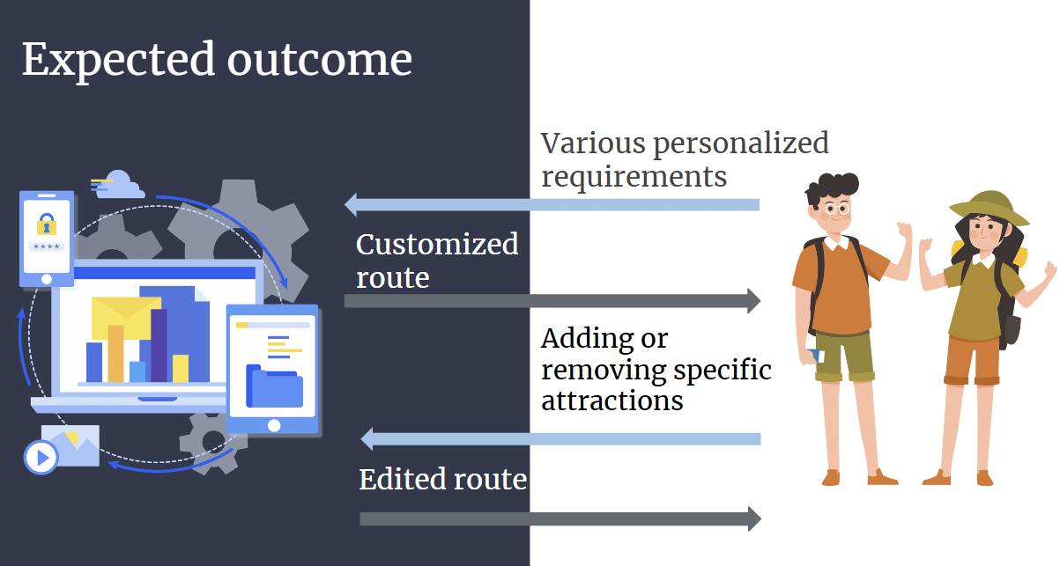
3 |  | Project Outline | Develop a high-level project plan outlining key milestones, deliverables, timelines, and resource allocation to guide the overall project execution and track progress. | Completed

Week3, 4, 5 work summary
Detailed work
No. | Type of work | Work content | Detailed description | Status of implementation |  | If not completed, information note
1 | priority work | Software Dev | Software Development is the process of designing, coding, and maintaining software applications. | Completed |  |  |  |  |  | 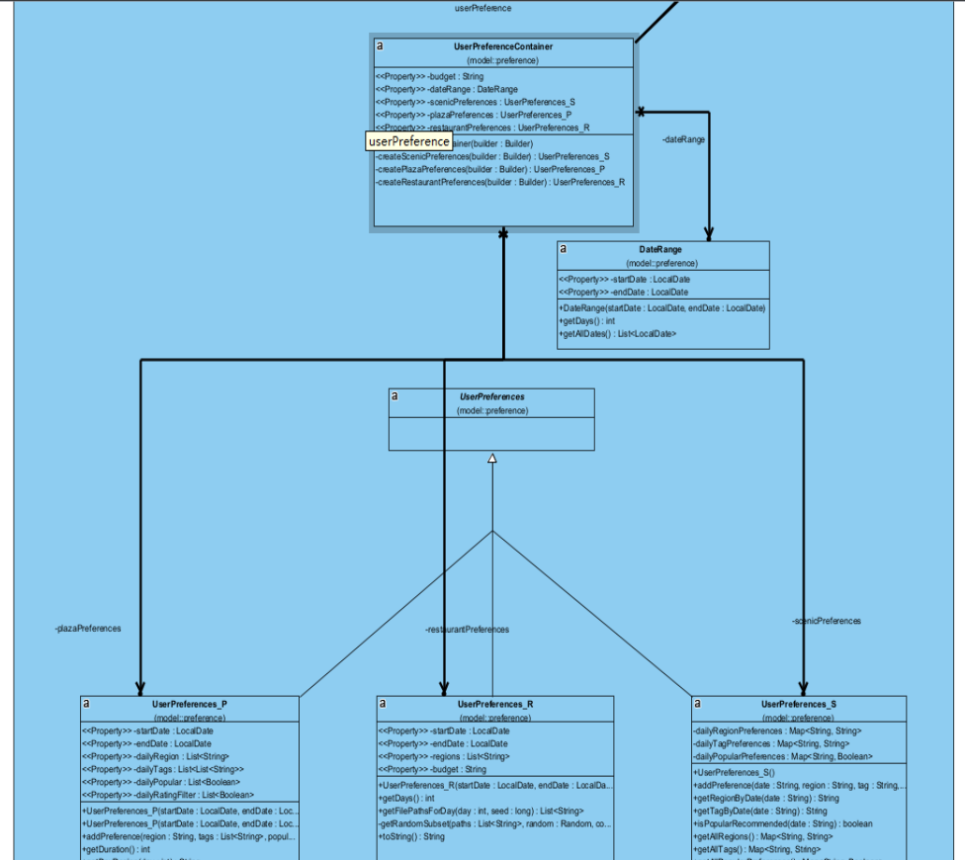 |  |  |  |  |  |  |  |  |  |  |  |  |  |  |  |  |  |  |  |  |  |  |  |  |  |  | 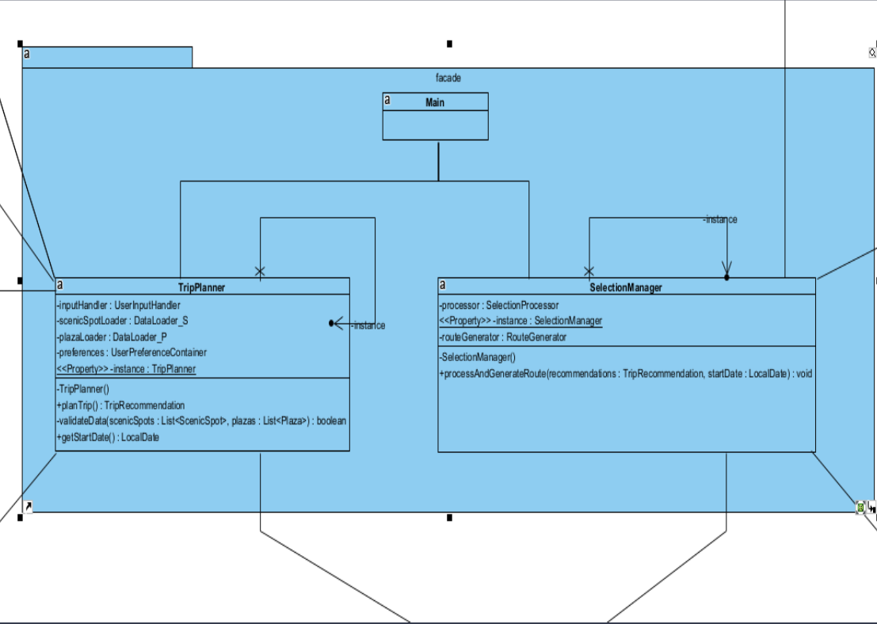 |  |  |  |  |  |  |  |  |  |  |  |  |  |  |  |  |  |  |  |  |  |  |  |  |  |  | 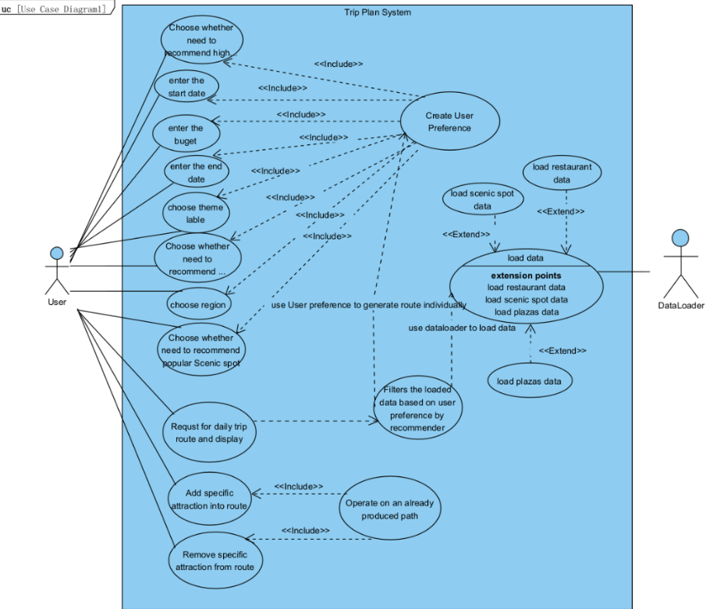
2 |  | Overall Structure | Define the system’s architecture, components, and how they interact. | Completed |  |  |  |  |  | 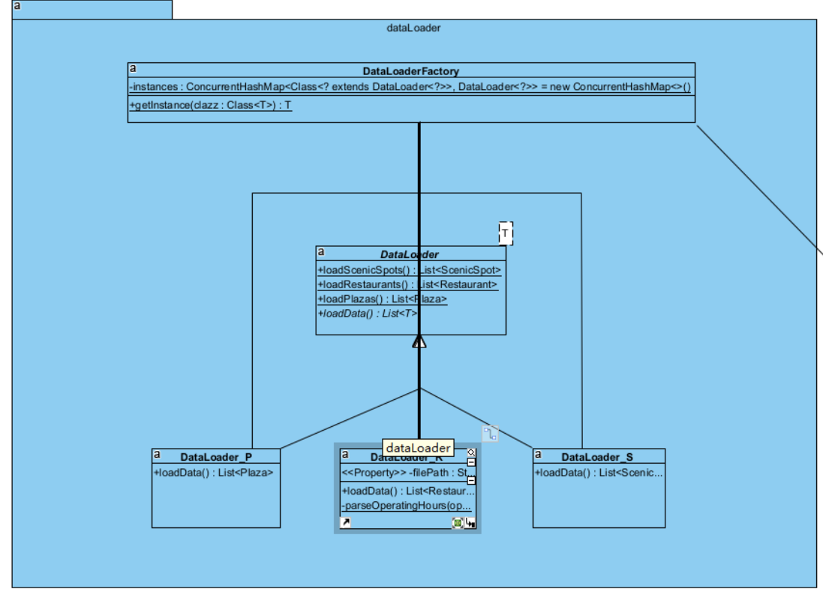 |  |  |  |  |  |  |  |  |  |  |  |  |  |  |  |  |  |  |  |  |  |  |  |  |  |  | 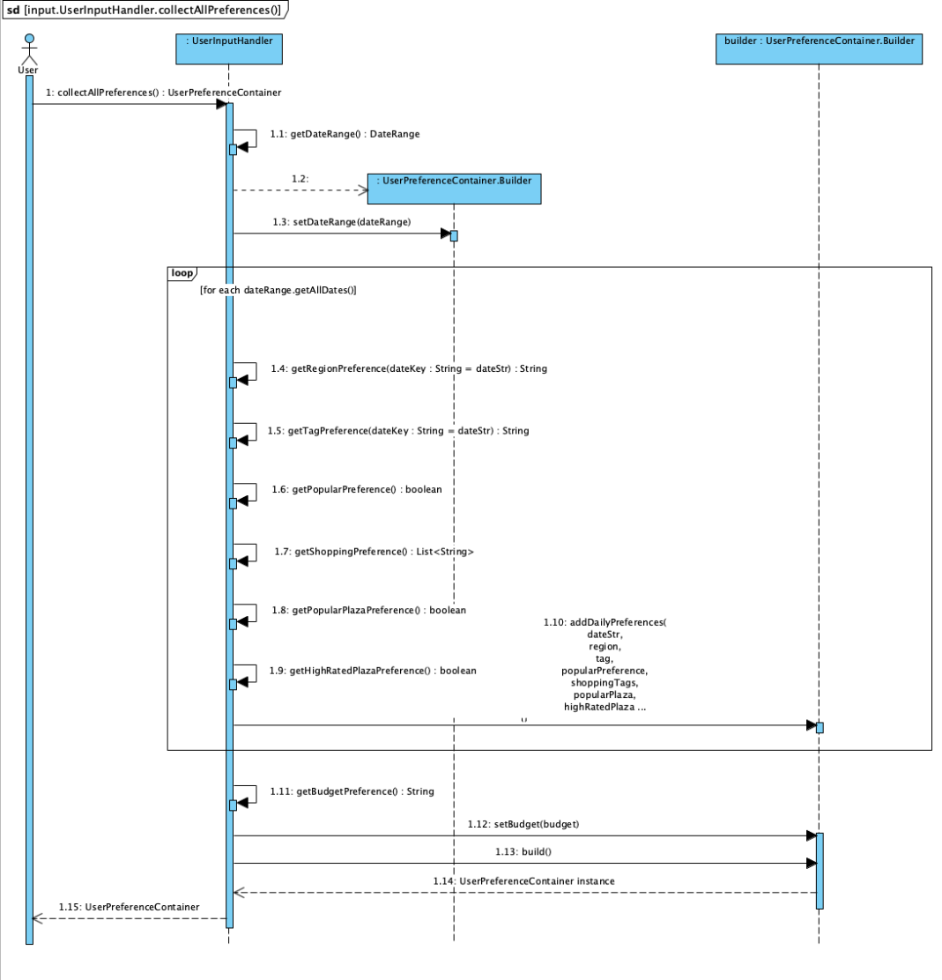 |  |  |  |  |  |  |  |  |  |  |  |  |  |  |  |  |  |  |  |  |  |  |  |  |  |  | 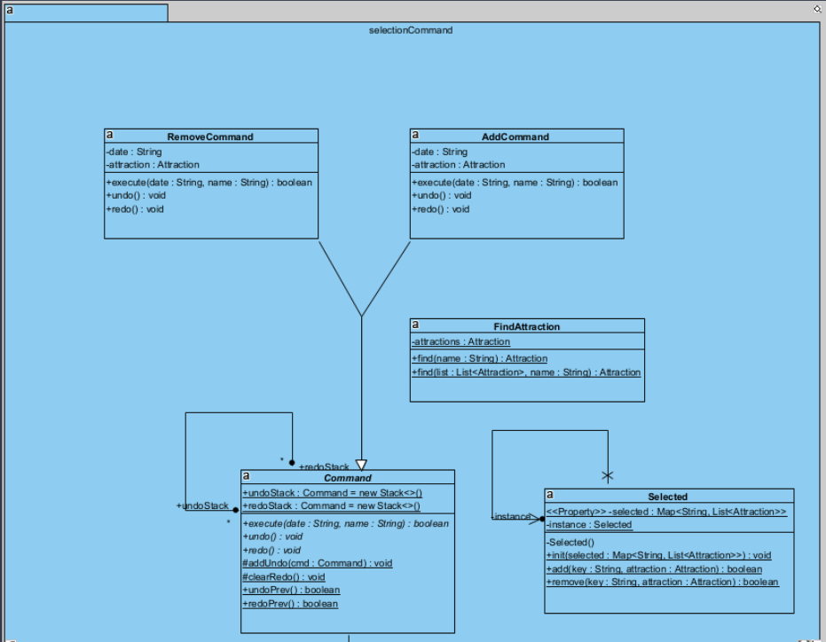
3 |  | Principle & Pattern | We focus on applying design principles like modularity and scalability, along with architectural patterns such as Singleton,Factory,Facad,etc. to ensure the system is maintainable, efficient, and user-friendly. | Completed |  |  |  |  |  |  |  |  |  |  |  |  |  |  |  |  |  |  |  |  |  |  |  |  |  |  |  |  |  |  |  |  |  |  |  |  |  |  |  |  |  |  |  |  |  |  |  |  |  |  |  |  |  | 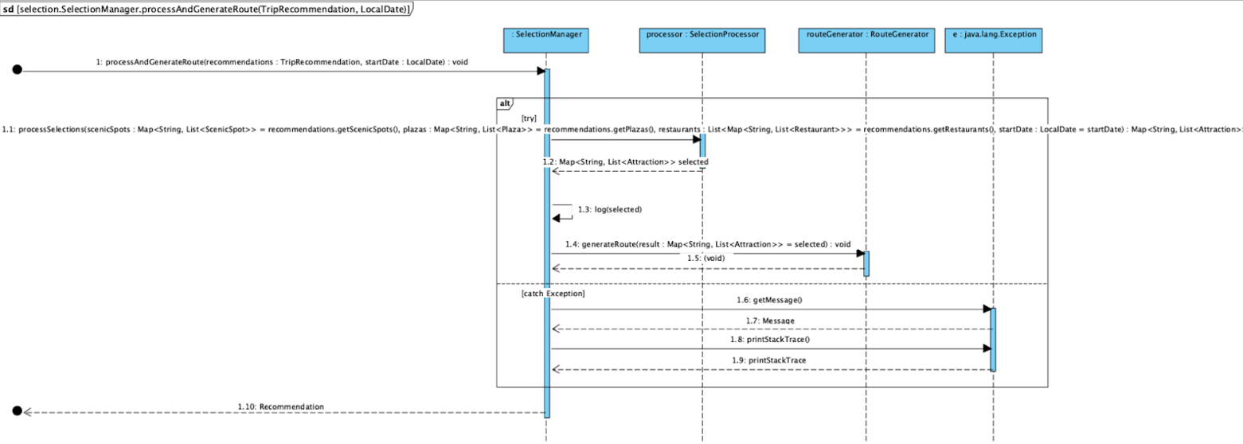
4 |  | Prototype Debug | We work on developing and testing initial prototypes of the system, identifying and fixing bugs to ensure functionality and improve user experience before full-scale development. | Completed |  |  |  |  |  |  |  | 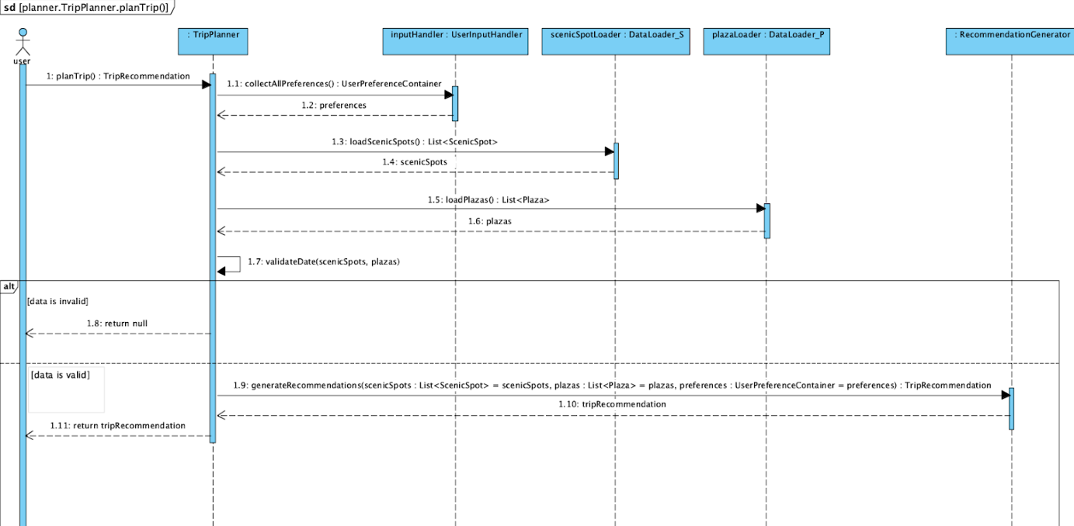
5 |  | Simple Testing | We conduct basic testing to verify the core features of the system, ensuring that the travel recommendation functionality works as expected under simple conditions. | Completed |  |  |  |  |  | 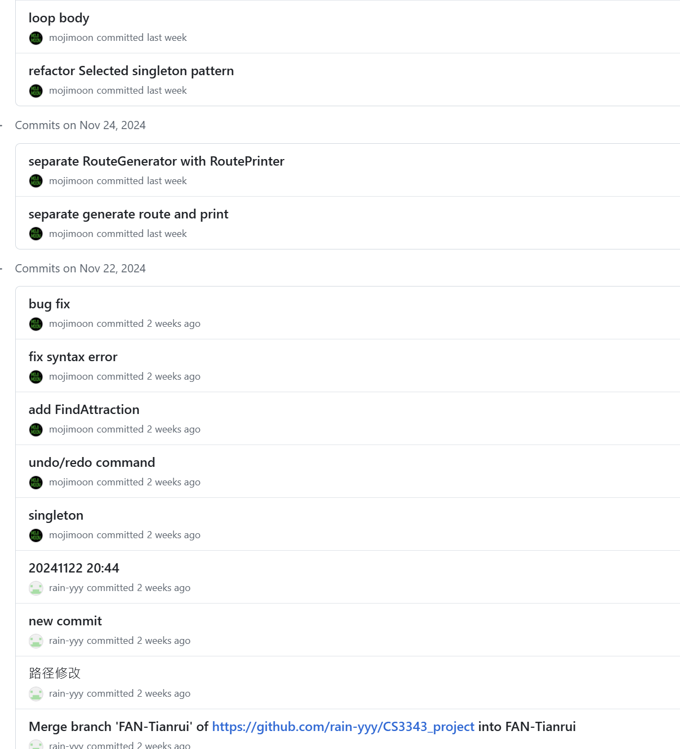 |  |  |  |  |  |  |  |  |  |  |  |  |  |  |  |  |  |  |  |  |  |  |  |  |  |  |  | 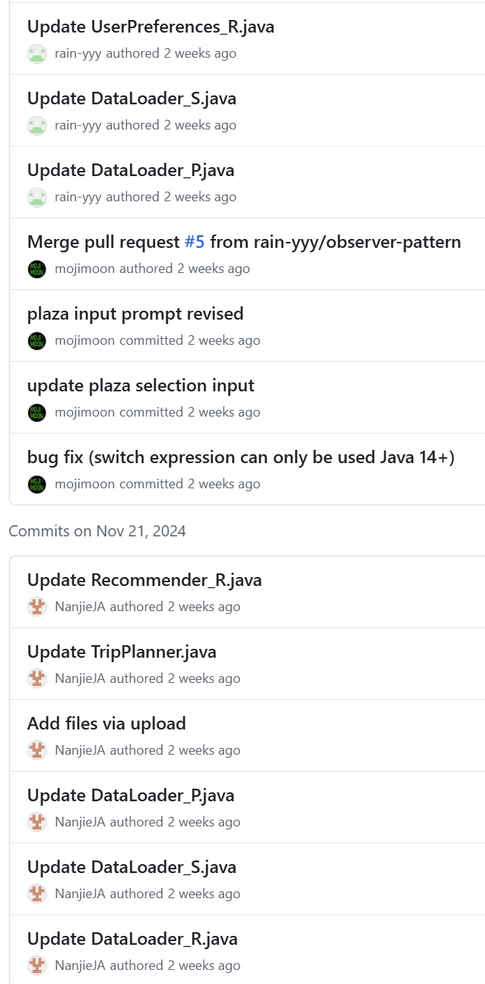 |  |  |  |  |  |  |  |  |  |  |  |  |  |  |  |  |  |  | 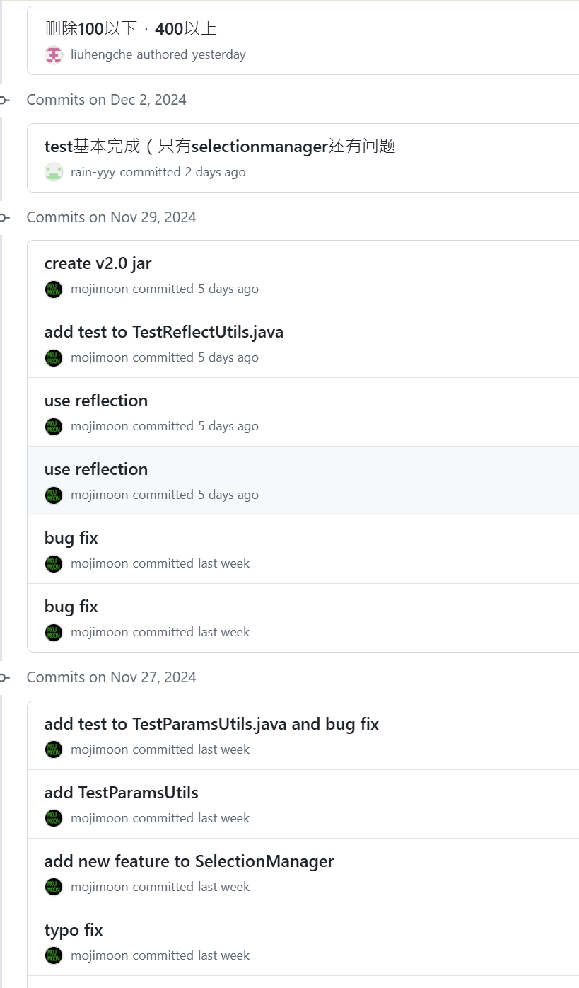
6 |  | Branch Merges | We manage and integrate code changes from different branches, ensuring that new features or fixes are combined smoothly into the main project without conflicts or issues. | Completed |  |  |  |  |  | 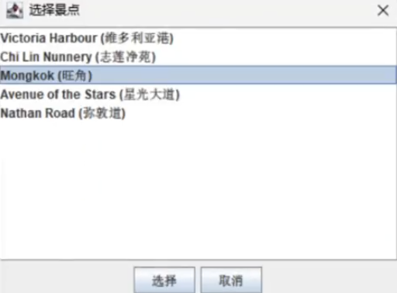 |  |  |  |  |  |  |  |  |  |  |  |  |  |  |  |  |  |  | 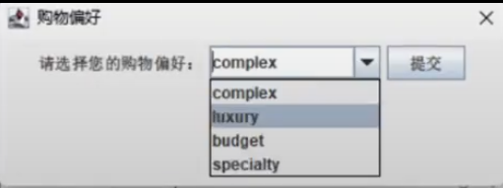 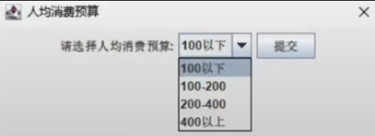 |  |  |  |  |  |  |  |  |  |  |  |  |  |  |  |  |  |  | 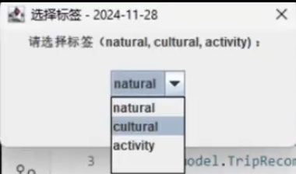 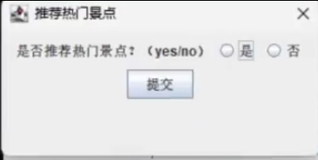
7 |  | UI Development | We focus on designing and implementing the user interface, ensuring it is intuitive, visually appealing, and provides a seamless experience for users to interact with the travel recommendation system. | Completed |  |  |  |  |  |  | 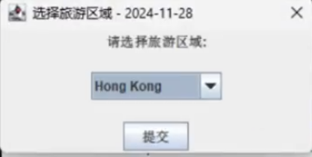 |  |  |  |  |  |  |  |  |  |  |  |  |  |  |  |  |  | 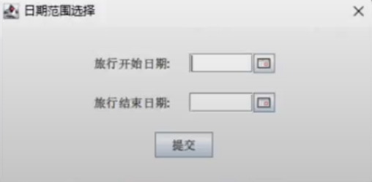 |  |  |  |  |  |  |  |  |  |  |  |  |  |  |  |  |  |  | 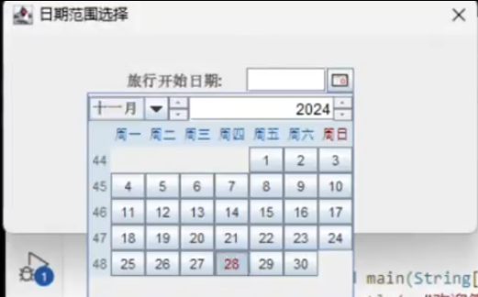
8 |  | Database Improve | The main thing we did was to rewrite the CSV file as a Json file and patch the required properties for each attraction | Completed |  |  |  |  |  | 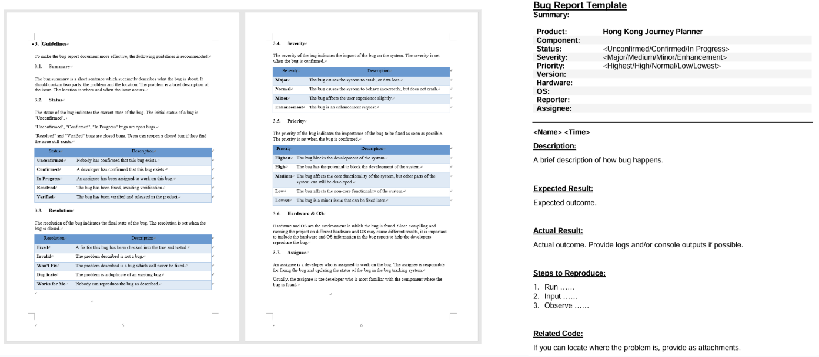 | 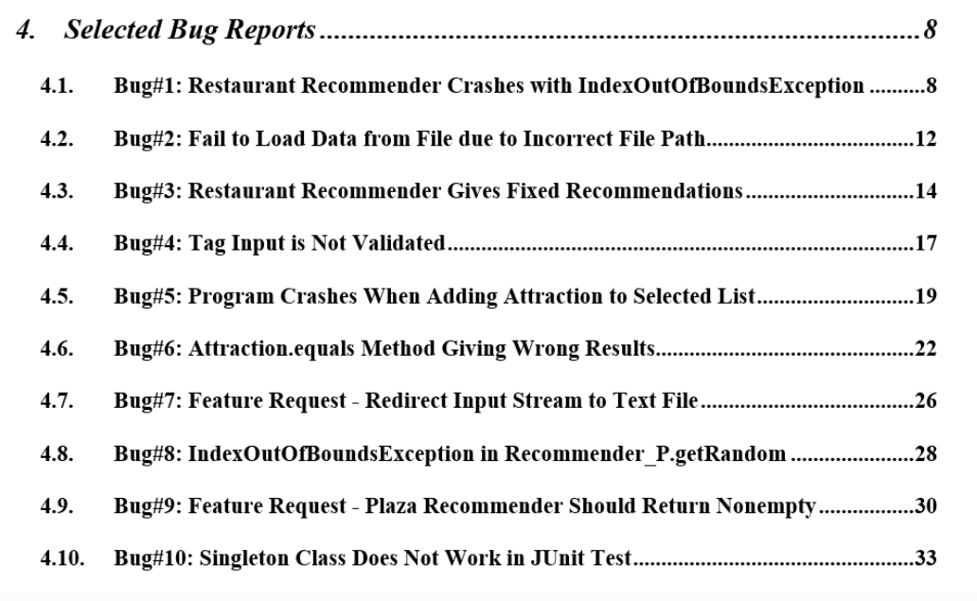 |  |  |  |  |  |  |  |  |  |  |  |  |  |  |  |  |  |  |  |  |  |  |  |  |  |  | 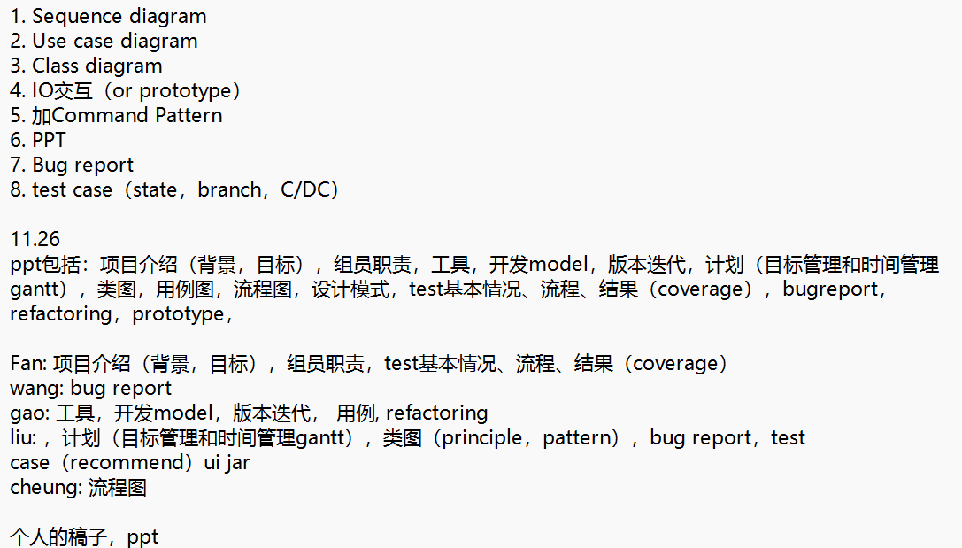

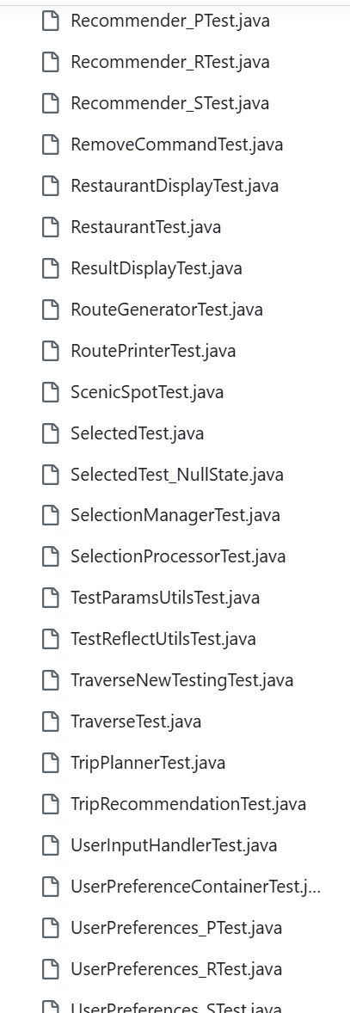
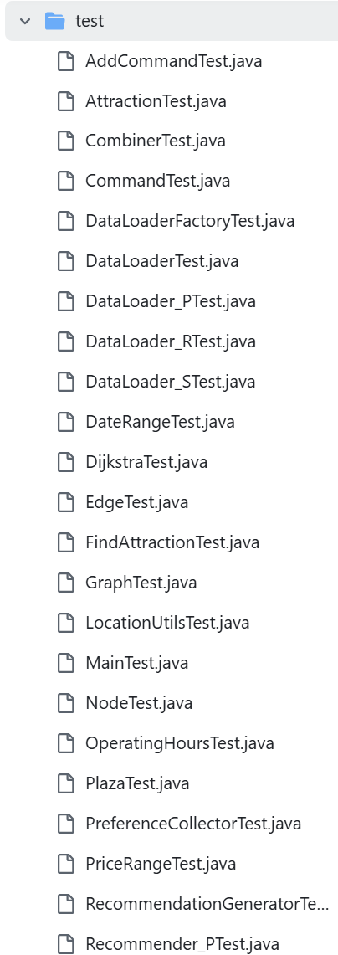
Week6,7,8 work summary
Detailed work
No. | Type of work | Work content | Detailed description | Status of implementation |  | If not completed, information note
1 | priority work | Prototype Imporve | We refine and enhance the initial prototypes by incorporating user feedback, fixing bugs, and adding new features to improve functionality and user experience before the final version is developed. | Completed |  |  |  |  |  |  |  |  |  |  |  |  |  |  |  |  |  |  |  |  |  |  |  |  |  |  |  |  |  | 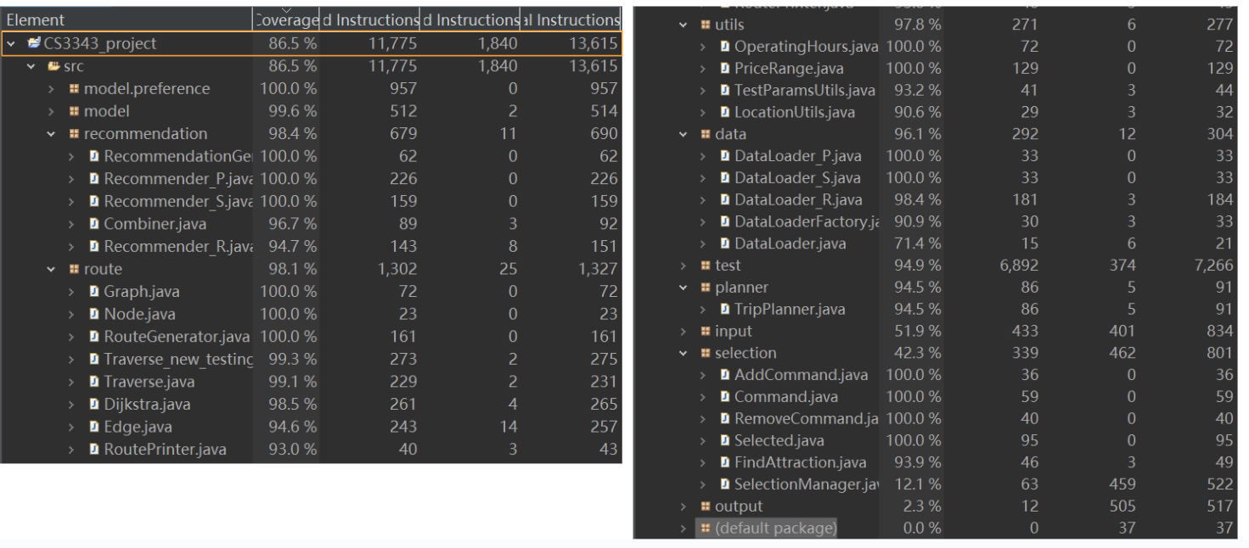
2 |  | Integration Testing | We conduct integration testing to ensure that all system components, such as the recommendation engine, user interface, and database, work together seamlessly and function as expected when combined. | not Completed |  | Our test coverage still need to be improve |  |  |  |  |  |  |  |  |  |  |  |  |  |  |  |  |  |  |  |  |  |  |  |  |  |  |  |  |  | 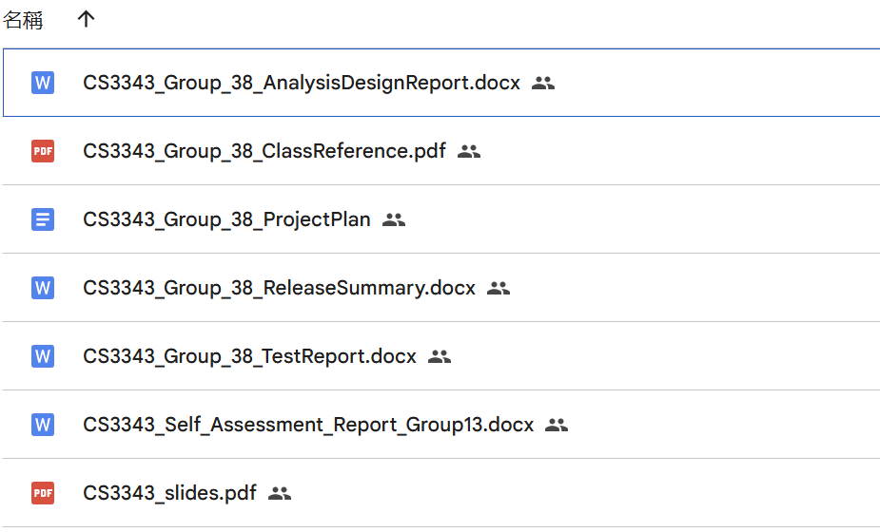
3 |  | Report Prepare | We prepare reports detailing the progress, challenges, and outcomes of the project, providing stakeholders with clear insights into the system's development, testing results, and upcoming milestones. | not Completed |  | As of now, there are still parts of the report that are being refined

